Med Plan
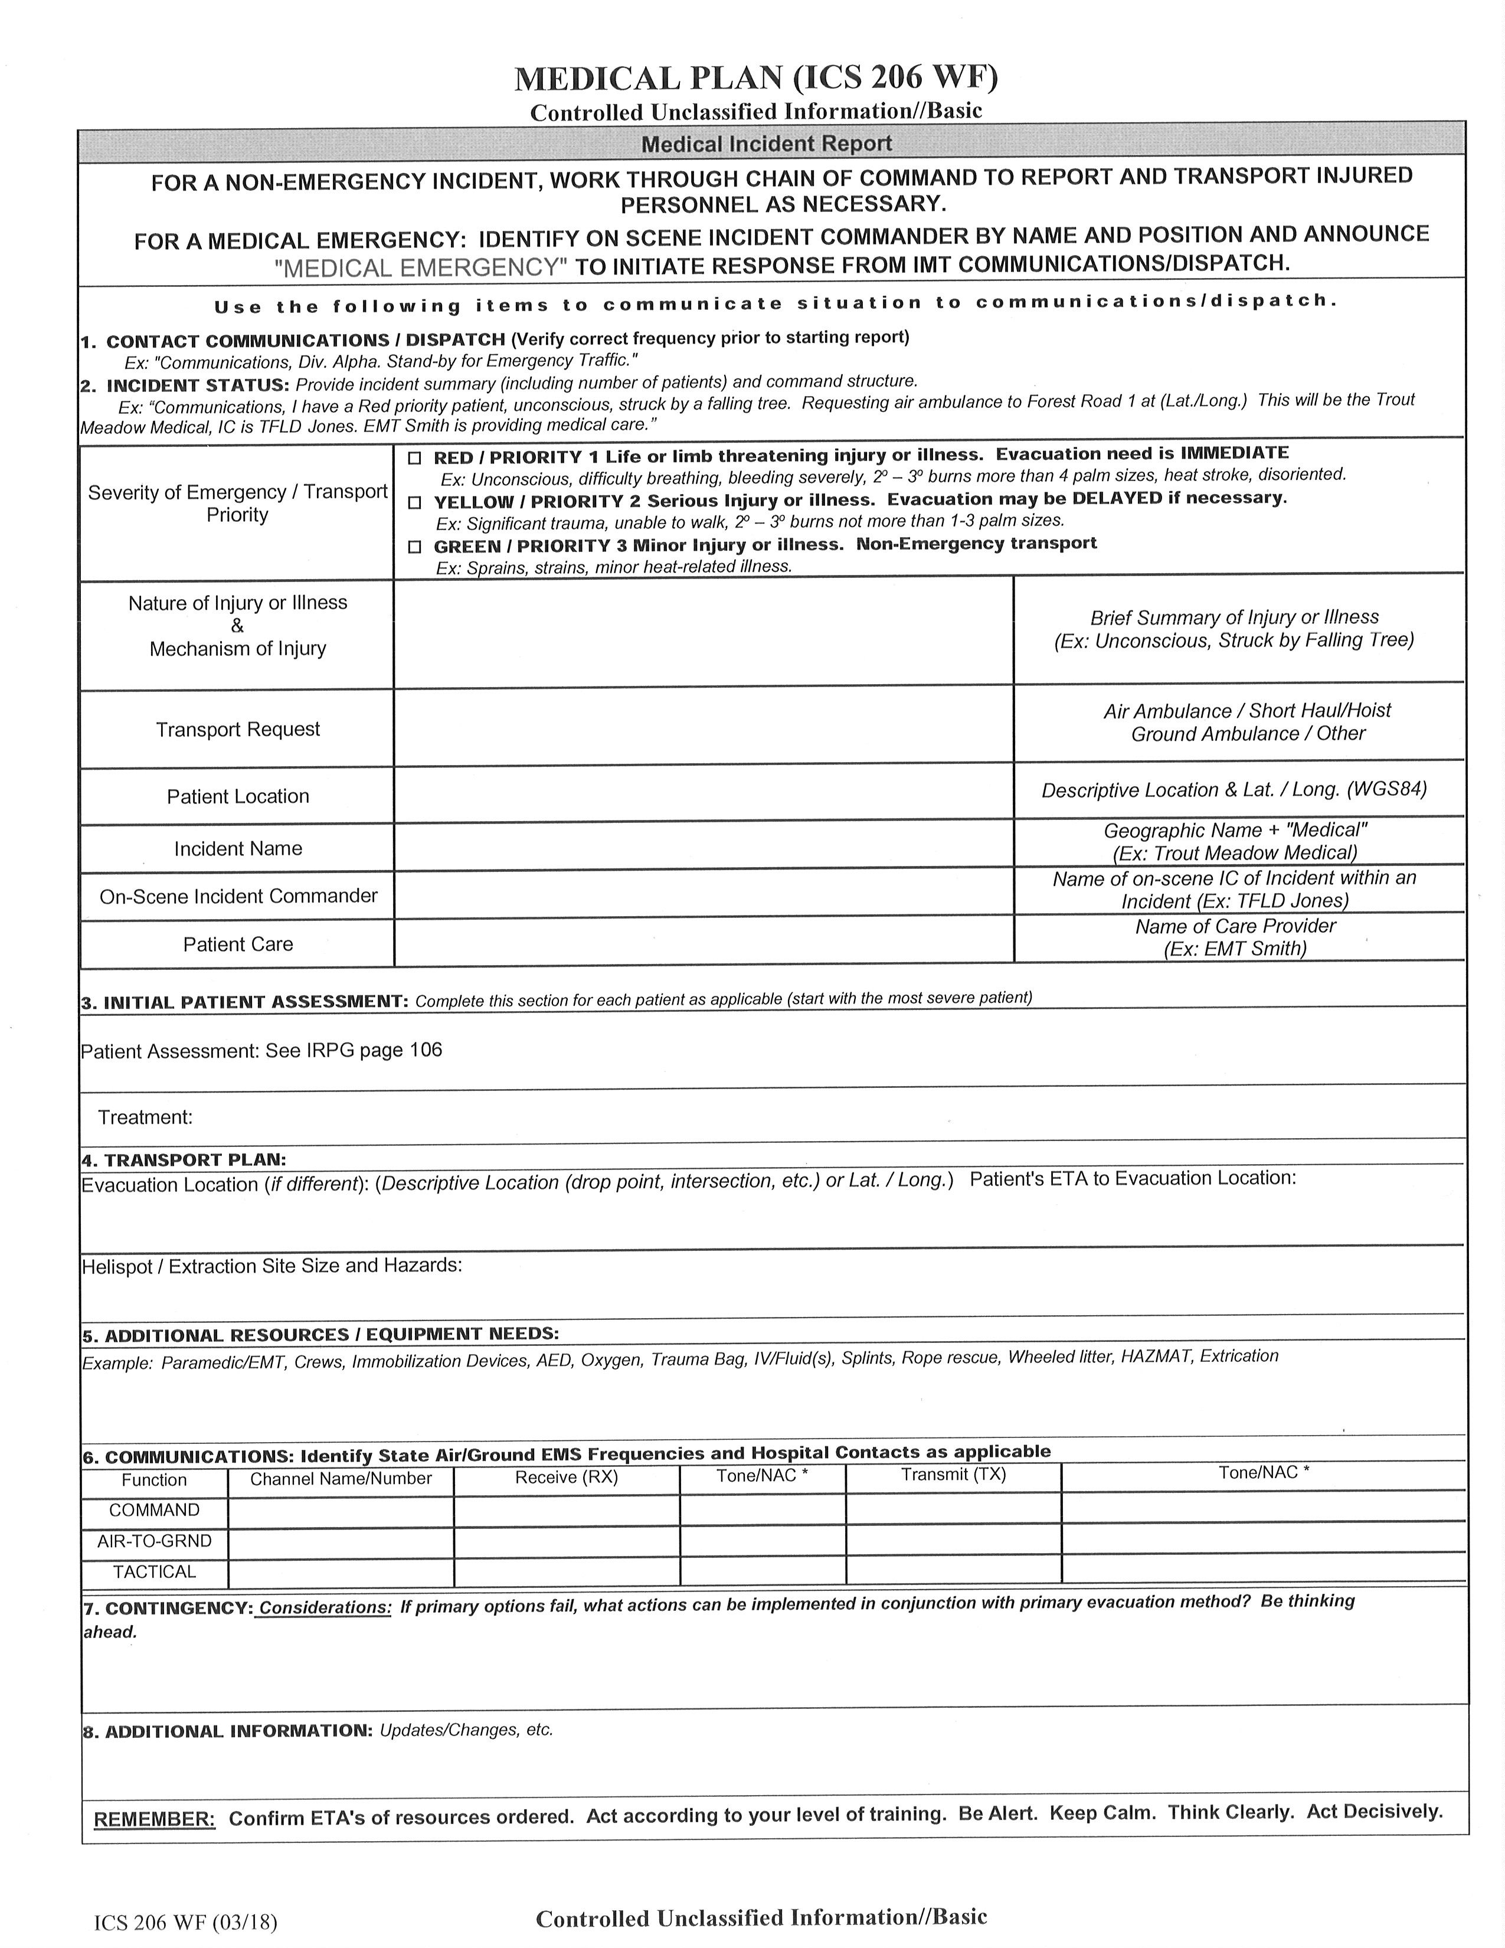
Nez Perce Clearwater NF Project Medical Plan
Name Project/Incident |  | Leader/On-scene IC |  |  |  | Effective Dates |  |  | 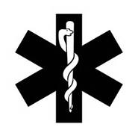 ver. 2020

Geographic Location | Legal Description | Lat x Long (Decimal Min) |  |  |  | Sat / Cell #

Radio Identifier(s) | Radio Repeater(s) | FM Frequency |  |  |  | FM Air ↔ Ground
 |  | Rx | Rx CG | Tx | Tx Tone | Frequency Rx/Tx |  | Tx Tone
Nez East | Coolwater East | 173.1375 | 0.0 | 166.2000 | 167.9 | A/G 3 (IDL) | 151.1450
 | Fire Tac 2 | 166.5625 | 0.0 | 166.5625 | 0.0 | NCF A/G | #N/A | #N/A
Secondary | Slate Point | 170.5625 |  | 164.1375 | 107.2 |  | #N/A | #N/A
 |  | #N/A | #N/A | #N/A | #N/A |  | #N/A | #N/A
Agency/Incident Helicopters available for Medivac |  |  |  |  |  |  |  |  | Air Attack
Call sign | Location | Type | Litter | Short haul | EMT | Comments |  |  | Call sign | Location | Air ↔Air

Helispot(s) | Legal Description | Lat x Long (Decimal Min) |  |  |  | Comments |  |  | Hazards

Access Roads and/or Trail Numbers |  |  |  |  |  | Comments |  |  | Hazards

Ground Extraction Point(s) | Legal Description | Lat x Long (Decimal Min) |  |  |  | Comments |  |  | Hazards

Medical Pesonnel On-Scene | Qualifications | Location |  |  |  | Medical Kit Location |  |  | Medical Kit -Type / Components
 |  |  |  |  |  |  |  |  | Trauma bag | Backboard | Oxygen/ I.V .

Hospitals - Ambulances - Air-Ambulance (Life Flight)
Ambulances / Life Flight | Location | Phone |  | Night Vis. | Medic | Hoist | Helo Type | Programable FM Radio | Contact Frequency | Comments
Life Flight Network (Lewiston) | Lewiston, ID | 208-743-1124 |  | Yes | PARA | No | type 3 | yes | 155.2800 Tx Tone 156.7 | Advanced Life Support
Syringa Hosp. Ambulance | Grangeville, ID | 911 |  | 0 | EMT | 0 | 0 | yes | 155.2800 Tx Tone 156.7 | Advanced Life Support
Missoula Ambulance (MESI) | Missoula, MT | 911 |  | 0 | PARA | 0 | 0 | yes | 153.9050 "Gold" | Advanced Life Support
Two Bear Air | Kalispell, MT | (406) 758-5610 opt 2 |  | Yes | PARA | Yes | type 3 | yes | 155.2800 Tx Tone 156.7 | Advanced Life Support - 250' Hoist
Two Bear Air | Kalispell, MT | (406) 758-5610 opt 2 |  | Yes | PARA | Yes | type 3 | yes | 155.2800 Tx Tone 156.7 | Advanced Life Support - 250' Hoist
Hospitals | Location | Phone |  | Trvl. Air** | Trvl. Grnd** | Burn Center | Heli-Pad Freq. | Helipad Lat/Long |  | Comments
St. Joseph’s Regional Medical (Level 3 Trauma) | Lewiston, ID | 208-743-2511 |  |  |  | no | Primary 155.340 Secondary 155.280 | 46° 25.02 x 117° 01.45 |  | Roof Top - Type 2 - 9,000 lb. - Dispatch - Call Lead ER nurse direct @ 208-799-6626. Try 208-799-5799 if can't reach nurse direct. State Comm 800-632-8000
Syringa General Hospital | Grangeville, ID | 208-983-1700 |  |  |  | no | 155.340 | 45° 56.30 x 116° 07.80 |  | No Pad - Land at Idaho County Airport (KGIC) - Coordinates are for KGIC.
McCall Memorial Hospital | McCall, ID | 208-634-2221 |  |  |  | no | 155.340 | 44° 53.84 x 116° 06.02 |  | NO PAD - Land @ McCall Airport(KMYL) - Land on North Apron near compass rose. Dispatch call 208-634-2221 to advise hospital and initiate ground transport.
St. Joseph’s Regional Medical (Level 3 Trauma) | Lewiston, ID | 208-743-2511 |  |  |  | no | Primary 155.340 Secondary 155.280 | 46° 25.02 x 117° 01.45 |  | Roof Top - Type 2 - 9,000 lb. - Dispatch - Call Lead ER nurse direct @ 208-799-6626. Try 208-799-5799 if can't reach nurse direct. State Comm 800-632-8000

